Instructions
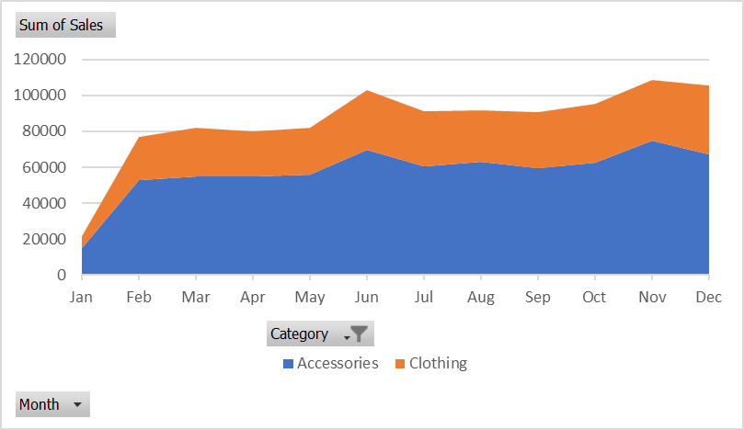

 |  | Excel Skills for Data Analytics and Visualization
 |  | Course 3 - Excel Power Tools for Data Analysis

 |  | Week 2 Practice Challenge

Instructions
Scenario: You are contracted with a Marketing company, responsbile for providing accessories, bikes, and clothing. They have tasked you with providing an analysis of their sales over the last few years. When you look at the data, you see they have presented it in an easy-to-read manner. However, this data cannot be used to created Pivot Tables or Pivot Charts. You decide to use Power Query to import the data and convert it to a form more suitable for actual analysis.

1) | Import the data in Power Query by creating a query to get the data from the Sales Summary Workbook.
2) | When you import the data, you notice that there are problems with the presentation. Remove any unnecessary rows so that the data headers are in the top row and then convert top row to headers
3) | Ensure that the Category is filled down for each row.
4) | Remove the Monthly Average column, as it is currently impeding your ability to unpivot the data.
5) | Unpivot the data and adjust the column names so it looks like this (not all rows shown):
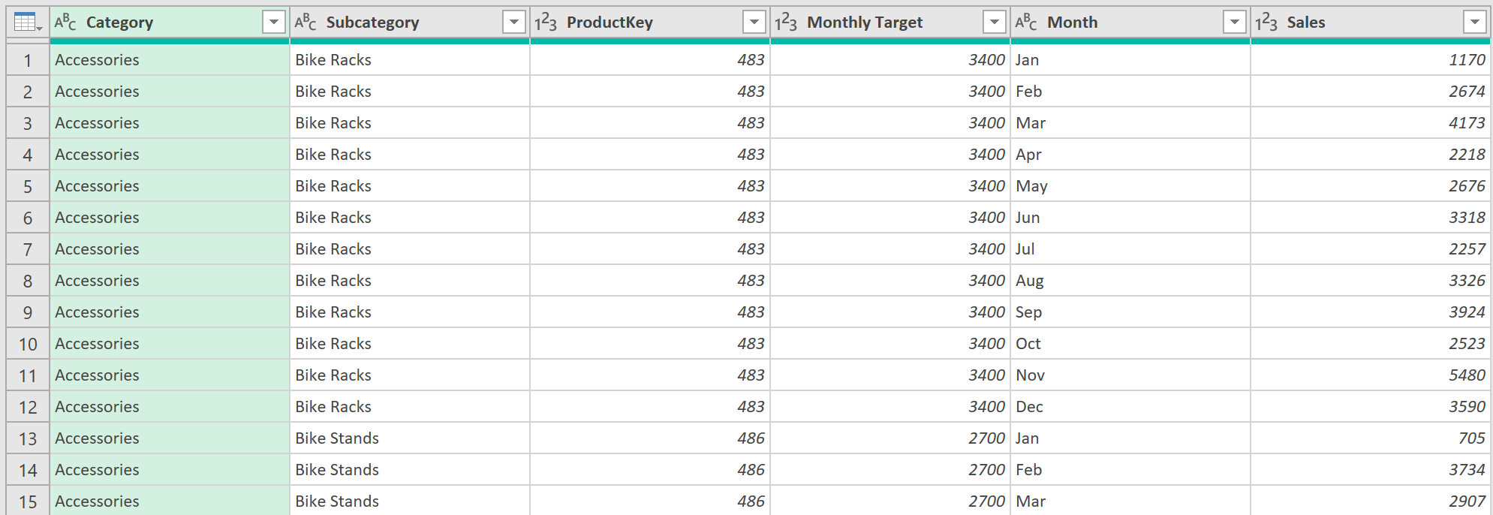

6) | The company wants to know the percentage of the target that was achieved each month. Add a column called % Target Achieved that divides Sales by Monthly Target and change the data type to Percentage.
7) | Close and Load the query to the A3 in the Sales Data sheet, so you can begin analyzing it.
8) | To fulfill the company's wishes, using the Sales Data query results, create a pivot table in the Subcategory Targets sheet that returns Average % Target Achieved by Subcategory.
 | Which Subcategory performed best (highest %)? You have to communicate this to the project manager. |  | Socks | 1
9) | Create another PivotTable in the Sales Trends sheet to show total sales by Category and Month. Filter the Pivot to only show Accessories and Clothes, as your project manner specified these two categories were of key interest..
10) | Your visualization you decide will be a stacked area Pivot Chart to visualise sales trends in the PivotTable. Create one in the Sales Trends sheet. It should look like this:

Sales Trends
Sum of Sales | Column Labels
Row Labels | Accessories | Clothing | Grand Total
Jan | $14,811.00 | $6,823.00 | $21,634.00
Feb | $52,759.00 | $23,886.00 | $76,645.00
Mar | $54,908.00 | $27,238.00 | $82,146.00
Apr | $54,740.00 | $25,021.00 | $79,761.00
May | $56,046.00 | $26,007.00 | $82,053.00
Jun | $69,833.00 | $33,325.00 | $103,158.00
Jul | $60,494.00 | $30,478.00 | $90,972.00
Aug | $63,082.00 | $28,511.00 | $91,593.00
Sep | $59,743.00 | $30,961.00 | $90,704.00
Oct | $62,709.00 | $32,393.00 | $95,102.00
Nov | $74,855.00 | $33,653.00 | $108,508.00
Dec | $67,371.00 | $38,253.00 | $105,624.00
Grand Total | $691,351.00 | $336,549.00 | $1,027,900.00

